FSP350-6W -FSP650-6W(with S.S)
 |  | FSP-6WAY FILTRATION COMBO REPLACEMENT PARTS

Parts of FSP Models: FSP350-6W/ FSP400-6W/ FSP450-6W/ FSP500-6W/ FSP650-6W
Back to Table of Content
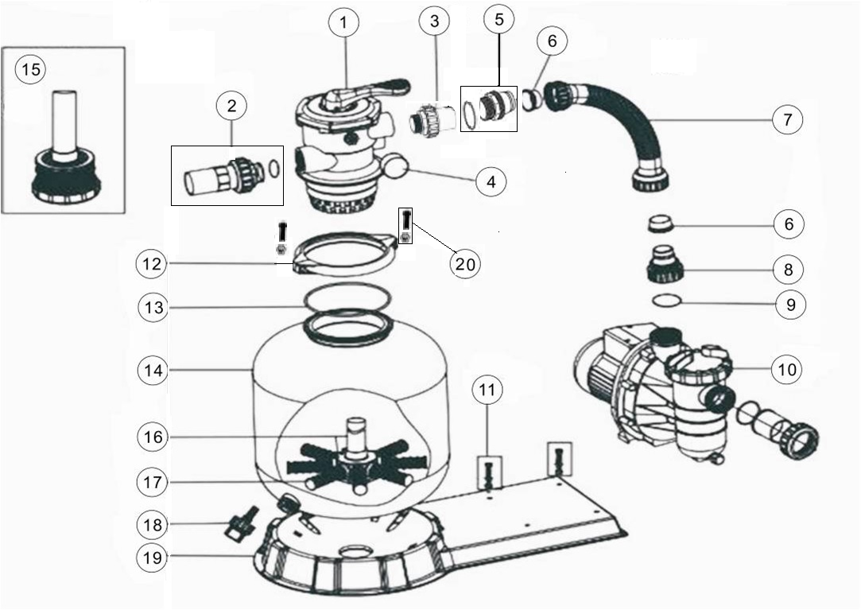

Key No. | Part No. | Description | Piece(s) Required | Order Qty
1* | 88280105 | 1.5" Top Mount Valve (Black/ White Colour) | 1
2* | 89280101 | 1.5" Union with Sight Glass,O-Ring (Black/ White Colour) | 1
3* | 89280102 | 1.5" Union Set With O-Ring (Black/ White Colour) | 1
4 | 06021001 | Plastic Pressure Gauge with O-Ring (35psi) | 1
4 | 01111048 | Connector for Pressure Gauge/ Stopper | 1
5 | 89030204 | Hose Adaptor with O-Ring | 1
6 | 02011026 | Sleeve for Hose | 2
7 | 89031501 | FSP350-6W Plastic Hose with Nut | 1
7 | 89031601 | FSP400-6W Plastic Hose with Nut | 1
7 | 89031701 | FSP450-6W Plastic Hose with Nut | 1
7 | 89031801 | FSP500-6W Plastic Hose with Nut | 1
7 | 89031901 | FSP650-6W Plastic Hose with Nut | 1
8 | 01013049 | Hose Adaptor with Nut | 1
9 | 02011104 | O-Ring for 1.5" Union | 1
10 | 88022401 | FSF350-4W Pump (SS020) | 1
10 | 88022402 | FSF400-6W Pump (SS033) | 1
10 | 88022403 | FSP450-6W Pump (SS050) | 1
10 | 88022404 | FSP500-6W Pump (SS075) | 1
10 | 88022405 | FSP650-6W Pump (SS100) | 1
11 | 89032001 | Pump Assembly Screw | 2
12 | 01271010 | Clamp Lock | 2
13 | 02011134 | O-Ring for Filter Neck | 1
14 | 01331005 | P350 Filter Tank | 1
14 | 01331006 | P400 Filter tank | 1
14 | 01331007 | SP/P450 Filter tank | 1
14 | 01331008 | SP/P500 Filter tank | 1
14 | 01331010 | SP/P650 Filter tank | 1
15 | 89011602 | P350 Lateral Assembly with Center Pipe | 1
16 | 89011603 | P400 Lateral Assembly with Center Pipe | 1
16 | 89011604 | P450 Lateral Assembly with Center Pipe | 1
16 | 89011605 | P500 Lateral Assembly with Center Pipe | 1
16 | 89011606 | P650 Lateral Assembly with Center Pipe | 1
17 | 01172007 | Laterals (115mm) for P/V400-P/V450 | 8
17 | 01172008 | Laterals (126mm) for P/V500-P/V650 | 8
18 | 89011601 | Water Drain Set | 1
19 | 01111056 | FSP/F350-4-6W Combo Base | 1
19 | 01111053 | FSP/F400-6W - FSP/F650-6W Combo base | 1
20 | 89010119 | M6 x 50 Screws with Nut | 2
Notes: | 1* 88280105B is 1.5" Top Mount Valve in Black Colour
 | 1* 88280105W is 1.5" Top Mount Valve in White Colour
 | 2* 89280101B is 1.5" Union with Sight Glass,O-Ring in Black Colour
 | 2* 89280101W is 1.5" Union with Sight Glass,O-Ring in White Colour
 | 3* 89280102B is 1.5" Union Set With O-Ring in Black Colour
 | 3* 89280102W is 1.5" Union Set With O-Ring in White Colour

